Mass Balance
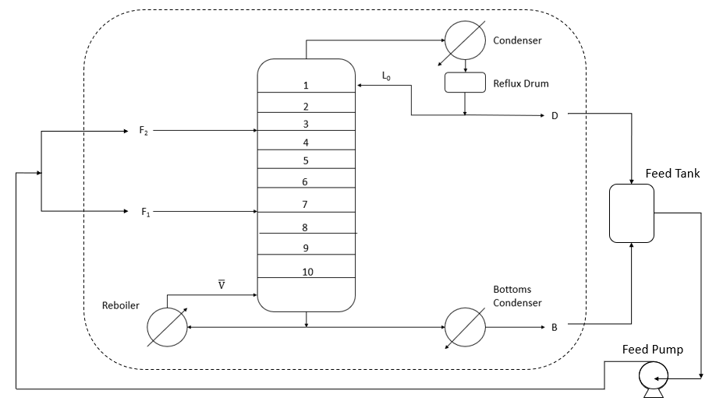

Total Mass Balance: IN = OUT

IN | SS 1 | SS 2 |  | OUT | SS 1 | SS 2
F1 | 0 | 70 | kg/h | D | 16.5 | 26 | kg/h
F2 | 60 | 0 | kg/h | B | 43 | 47 | kg/h
TOTAL | 60 | 70 | kg/h | TOTAL | 59.5 | 73 | kg/h

Check: IN - OUT = 0
SS 1 | 0.5
SS 2 | -3

 | SS 1 | SS 2
Reflux (L0) | 24 | 19
RR = L0/D | 1.4545454545 | 0.73076923077
Boilup (Ṽ) | 37.2 | 30
BR = Ṽ/B | 0.86511627907 | 0.63829787234

Composition profile
Density | (kg/m3)
Pure water | 1000
Pure ethanol | 789

Stage | SS1 |  |  | SS2
 | SG | ρmix (kg/m3) | xEtOH(m/m) | SG | ρmix (kg/m3) | xEtOH(m/m) | 3 | 0 | 7 | 0
1 | 0.881 | 881 | 0.50508631402 | 0.892 | 892 | 0.45274477717 | 3 | 0.7 | 7 | 0.7
2 | 0.864 | 864 | 0.58859926277 | 0.89 | 890 | 0.46216518451
3 | 0.924 | 924 | 0.30756447344 | 0.939 | 939 | 0.24291749315
4 | 0.942 | 942 | 0.23023515561 | 0.959 | 959 | 0.15986735788
5 | 0.953 | 953 | 0.18441638527 | 0.976 | 976 | 0.091950897366
6 | 0.963 | 963 | 0.14367128789 | 0.978 | 978 | 0.084115953828
7 | 0.971 | 971 | 0.11167946271 | 0.965 | 965 | 0.13562360337
8 | 0.981 | 981 | 0.0724234387 | 0.968 | 968 | 0.12361442952
 | SS 1 | SS 2
1 | 77 | 77.5
2 | 77.98 | 79.72
3 | 81.74 | 83.6
4 | 82.48 | 85.8
5 | 84.18 | 86.7
6 | 86.61 | 87.4
7 | 89.78 | 83
8 | 92.92 | 87.85
9 | 94.52 | 90.7
10 | 96 | 93.8
9 | 0.986 | 986 | 0.053094027282 | 0.979 | 979 | 0.080210486569
10 | 0.991 | 991 | 0.033959665425 | 0.984 | 984 | 0.060802219397
PR | 0.997 | 997 | 0.011251764773 | 0.994 | 994 | 0.022571447643

 |  |  | Better separation |  |  | Less separation
 |  |  | RR1 > RR2
Component Mass Balance
 | SS 1 | SS 2
xD | 0.66 | 0.6
xB | 0.011251764773 | 0.022571447643
D | 16.5 | 26
B | 43 | 47
Feed: Assuming that F = B + D to satisfy mass balance
F | 59.5 | 73
Feed composition
xF | 0.19115673757 | 0.22823093204 |  |  |  |  |  | Why xEtOH and T at stage 7 lower?????
 |  |  |  |  |  |  |  | Assuming that both feeds are identical => identical compositions
 |  |  |  |  |  |  |  | Feed in SS 1 has a higher concentration gradient with feed plate = Increased separation or flashing
 |  |  |  |  |  |  |  | Feed in SS 2 has a similar concentration to liquid at plate 7 = less driving force for separation
 |  |  |  |  |  |  |  | T drop: Feed that more concentrated in EtOH will have a lower flashing temperature

Aspen results
Feed Composition | SS 1 | SS2 |  | Ethanol composition profile in column (xEtOH)
xD | 0.66 | 0.6 |  | Stages |  | SS 1 |  | SS 2
xB | 0.011251764773 | 0.022571447643 |  | Aspen | Exp | Exp | Aspen | Exp | Aspen (Eff = 27%)
D | 16.5 | 26 |  | 1 | 0 | 0.66 | 0.730355 | 0.6 | 0.550362
B | 43 | 47 |  | 2 | 1 | 0.50508631402 | 0.654799 | 0.45274477717 | 0.334261
F | 59.5 | 73 |  | 3 | 2 | 0.58859926277 | 0.550075 | 0.46216518451 | 0.148833
xF | 0.19115673757 | 0.22823093204 |  | 4 | 3 | 0.30756447344 | 0.298091 | 0.24291749315 | 0.0756124
xF_avg | 0.20969383481 |  |  | 5 | 4 | 0.23023515561 | 0.258562 | 0.15986735788 | 0.0570513
 |  |  |  | 6 | 5 | 0.18441638527 | 0.209759 | 0.091950897366 | 0.0529169
Condenser | SS 1 | SS2 |  | 7 | 6 | 0.14367128789 | 0.154141 | 0.084115953828 | 0.0527753
Temperature | 77.0962654 | 78.8532571 | C | 8 | 7 | 0.11167946271 | 0.0991165 | 0.13562360337 | 0.141759
Subcooled temperature | 45 | 44 | C | 9 | 8 | 0.0724234387 | 0.0548345 | 0.12361442952 | 0.0878372
Heat duty | -13.619045568 | -18.830264633 | kW | 10 | 9 | 0.053094027282 | 0.0264546 | 0.080210486569 | 0.0468848
Subcooled duty | -1.3718204107 | -1.8045198937 | kW | 11 | 10 | 0.033959665425 | 0.0113347 | 0.060802219397 | 0.0217274
Distillate rate | 16.5 | 26 | kg/hr | 12 | 11 | 0.011251764773 | 0.010329 | 0.022571447643 | 0.0217148
Reflux rate | 24 | 19 | kg/hr |  |  |  |  |  |  |  |  | Eff = 0.2 | Eff = 0.27 | Eff = 0.3 | Eff = 0.32 | Eff = 0.4
 | SS 1 Experimental | SS 1 Simulation
0 |  | 77.266
1 | 77 | 77.9291
2 | 77.98 | 78.8565
3 | 81.74 | 82.0556
4 | 82.48 | 82.9016
5 | 84.18 | 84.204
6 | 86.61 | 86.1724
7 | 89.78 | 88.8737
8 | 92.92 | 91.8836
9 | 94.52 | 94.3979
10 | 96 | 95.9925
11 |  | 96.0788
Reflux ratio | 1.45454545 | 0.730769231 |  | Temperature profile in column |  |  |  |  |  | 0 | 0.6 | 0.521375 | 0.550362 | 0.558533 | 0.562958 | 0.574872
 |  |  |  | Stages |  | SS 1 |  | SS 2 |  | 1 | 0.45274477717 | 0.348664 | 0.334261 | 0.32408 | 0.316361 | 0.282083
Reboiler | SS 1 | SS2 |  | Aspen | Exp | Exp | Aspen | Exp | Aspen (Eff = 27%) | 2 | 0.46216518451 | 0.180228 | 0.148833 | 0.137068 | 0.129907 | 0.107162
Temperature | 96.9432222 | 94.8454802 | C | 1 | 0 |  | 77.266 |  | 78.8533 | 3 | 0.24291749315 | 0.0888607 | 0.0756124 | 0.0721181 | 0.0702638 | 0.0654437
Heat duty | 18.141152773 | 23.922784526 | kW | 2 | 1 | 77 | 77.9291 | 77.5 | 81.4042 | 4 | 0.15986735788 | 0.0580591 | 0.0570513 | 0.0572118 | 0.0573775 | 0.0581073
Bottoms rate | 43 | 47 | kg/hr | 3 | 2 | 77.98 | 78.8565 | 79.72 | 86.3953 | 5 | 0.091950897366 | 0.0495248 | 0.0529169 | 0.0541376 | 0.0548432 | 0.0568885
Mass flow | 37.2 | 30 | kg/hr | 4 | 3 | 81.74 | 82.0556 | 83.6 | 90.3551 | 6 | 0.084115953828 | 0.0483292 | 0.0527753 | 0.0541691 | 0.0549443 | 0.0570774
Boilup rate | 28.8673432 | 30.0051884 | kg/hr | 5 | 4 | 82.48 | 82.9016 | 85.8 | 91.7092 | 7 | 0.13562360337 | 0.150629 | 0.141759 | 0.137588 | 0.134712 | 0.122802
Boilup ratio | 0.671333563 | 0.638408265 |  | 6 | 5 | 84.18 | 84.204 | 86.7 | 92.0366 | 8 | 0.12361442952 | 0.105848 | 0.0878372 | 0.0805727 | 0.0759253 | 0.0592579
 |  |  |  | 7 | 6 | 86.61 | 86.1724 | 87.4 | 92.048 | 9 | 0.080210486569 | 0.0669542 | 0.0468848 | 0.040052 | 0.0360301 | 0.0236257
Column efficency (From stage 1 to 10) |  |  |  | 8 | 7 | 89.78 | 88.8737 | 83 | 86.7025 | 10 | 0.060802219397 | 0.0377695 | 0.0217274 | 0.0172051 | 0.0147559 | 0.00816137
Efficiency | 32 | 27 | % | 9 | 8 | 92.92 | 91.8836 | 87.85 | 89.5547 | 11 | 0.022571447643 | 0.0377501 | 0.0217148 | 0.0171947 | 0.0147468 | 0.00815608
NOTE: excluding heat exchangers |  |  |  | 10 | 9 | 94.52 | 94.3979 | 90.7 | 92.533
 | SS 2 Experimental | SS 2 Simulation
0 |  | 78.8533
1 | 77.5 | 81.4042
2 | 79.72 | 86.3953
3 | 83.6 | 90.3551
4 | 85.8 | 91.7092
5 | 86.7 | 92.0366
6 | 87.4 | 92.048
7 | 83 | 86.7025
8 | 87.85 | 89.5547
9 | 90.7 | 92.533
10 | 93.8 | 94.8748
11 |  | 94.8455
 |  |  |  | 11 | 10 | 96 | 95.9925 | 93.8 | 94.8748
 |  |  |  | 12 | 11 |  | 96.0788 |  | 94.8455

VLE Data
xEtoh | yEtoh
0 | 0 | 0 | 0
0.019 | 0.17 | 1 | 1
0.0721 | 0.3891
 | VLE line |  | y=x line |  | xF SS 1 |  | xF SS 2 |  | xD1 |  | xD2 |  | xB1 |  | xB2 |  | TOL1 |  | TOL2 |  | BOL1 |  | BOL2
0 | 0 | 0 | 0 | 0.19115673757 | 0.19115673757 | 0.22823093204 | 0.22823093204 | 0.66 | 0.66 | 0.6 | 0.6 | 0.011251764773 | 0.011251764773 | 0.022571447643 | 0.022571447643 | 0.66 | 0.66 | 0.6 | 0.6 | 0.011251764773 | 0.011251764773 | 0.022571447643 | 0.022571447643
0.019 | 0.17 | 1 | 1 |  |  |  |  |  |  |  |  |  |  |  |  | 0.1 | 0.32814814815 | 0.1 | 0.38888888889 | 0.2 | 0.41817672352 | 0.2 | 0.47797139869
0.0721 | 0.3891
0.099 | 0.4375
0.1238 | 0.4704
0.1661 | 0.5089
0.2337 | 0.5445
0.2608 | 0.558
0.3273 | 0.5826
0.3965 | 0.6122
0.5198 | 0.6599
0.5732 | 0.6841
0.6763 | 0.7385
0.7472 | 0.7815
0.8943 | 0.8943
1 | 1
0.099 | 0.4375
0.1238 | 0.4704
0.1661 | 0.5089
0.2337 | 0.5445
0.2608 | 0.558
0.3273 | 0.5826
0.3965 | 0.6122
0.5198 | 0.6599
0.5732 | 0.6841
0.6763 | 0.7385
0.7472 | 0.7815
0.8943 | 0.8943
1 | 1

Feed composition (z = x = y)
xF | 0.19115673757 | 0.22823093204
xD | 0.66 | 0.6
xB | 0.011251764773 | 0.022571447643

RR | 1.4545454545 | 0.73076923077
BR | 0.86511627907 | 0.63829787234

Top Operating line
Slope (L/V) | 0.59259259259 | 0.42222222222
xD | 0.66 | 0.6
y-int | 0.26888888889 | 0.34666666667
Point
0.1 | 0.32814814815 | 0.38888888889

Bottom Operating line
Slope(L/V) | 2.1559139785 | 2.5666666667
xB | 0.011251764773 | 0.022571447643
y-int | -0.013006072184 | -0.035361934641
Point
0.2 | 0.41817672352 | 0.47797139869

Pseudo-VLE
0.50508631402 |  | 0.45274477717
0.58859926277 | 0.50508631402 | 0.46216518451 | 0.45274477717
0.30756447344 | 0.58859926277 | 0.24291749315 | 0.46216518451
0.23023515561 | 0.30756447344 | 0.15986735788 | 0.24291749315
0.18441638527 | 0.23023515561 | 0.091950897366 | 0.15986735788
0.14367128789 | 0.18441638527 | 0.084115953828 | 0.091950897366
0.11167946271 | 0.14367128789 | 0.13562360337 | 0.084115953828
0.0724234387 | 0.11167946271 | 0.12361442952 | 0.13562360337
0.053094027282 | 0.0724234387 | 0.080210486569 | 0.12361442952
0.033959665425 | 0.053094027282 | 0.060802219397 | 0.080210486569
0.011251764773 | 0.033959665425 | 0.022571447643 | 0.060802219397

0 | 0
1 | 1

